Sheet1
dataset | HaGrid | Dgrid | Ours
Sensorless_drive_diagnosis | 0.85 | 1 | 0.99
Condition_based_maintenance | 0.99 | 1 | 0.99
Cup98LRN | 0.77 | 0.95 | 0.99
Google_playstore_sentiment | 0.99 | 1 | 0.99
BeijingPM2.5 | 0.46 | 0.96 | 1
Human_activity_recognition | 0.83 | 0.96 | 0.99
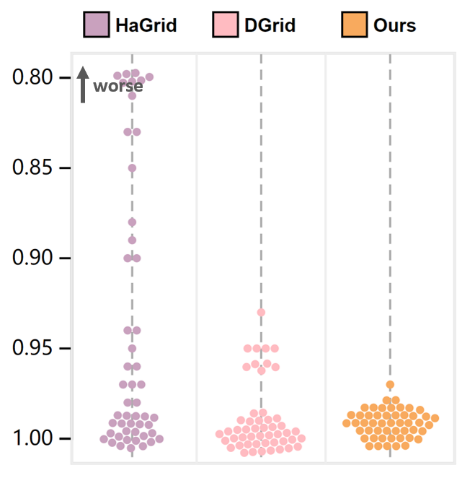
Crowd_sourced_mapping | 0.99 | 1 | 0.99
Telescope | 0.96 | 1 | 0.99
Credit_card_fraud | 0.83 | 0.93 | 1
MoCap | 0.97 | 1 | 0.99
BlackFriday | 1 | 0.99 | 1
2008_cancelled_flights | 0.64 | 0.95 | 0.99
Barcelona_accident | 0.98 | 1 | 0.99
HT_sensor | 0.9 | 0.95 | 0.97
Epileptic_seizure | 0.99 | 1 | 0.99
Terrorism | 0.76 | 0.95 | 0.99
Mnist_tsne | 1 | 1 | 0.99
Swiss_roll_3d | 0.99 | 1 | 0.99
Nomao | 0.95 | 1 | 0.99
Person_activity | 0.89 | 0.99 | 0.99
Diamonds | 0.66 | 0.99 | 1
Wine | 1 | 0.99 | 1
Gas_sensor_array_drift | 0.55 | 1 | 0.99
Abalone | 1 | 1 | 0.99
Gesture_phase | 0.97 | 1 | 0.99
CS_rankings | 1 | 1 | 0.99
Satimage | 0.88 | 1 | 0.99
Avila | 0.8 | 1 | 0.98
Forest_covertype | 0.94 | 0.96 | 1
Clothes | 1 | 1 | 0.99
News_popularity | 1 | 1 | 1
Grammatical_facial_expression | 0.81 | 1 | 0.99
Swiss_roll_2d | 0.99 | 1 | 0.99
Hathi_trust_library | 1 | 0.99 | 1
Daily_sports | 0.98 | 0.96 | 0.98
Manhattan | 0.99 | 1 | 0.99
Phyllotaxis | 1 | 1 | 0.99
Basketball | 0.97 | 1 | 0.99
Dc_census_citizens | 0.99 | 0.99 | 1
Chicago_crimes | 0.99 | 0.99 | 1
DBLP_samples | 1 | 1 | 1
Music | 1 | 1 | 0.99
News | 1 | 1 | 0.99
Paleontology | 1 | 1 | 0.99
COVID-19_deaths | 0.9 | 1 | 0.99
GridGena | 1 | 1 | 0.99
GaAsH6 | 0.99 | 1 | 0.99
Copter | 1 | 1 | 0.99
News_aggregator | 0.96 | 0.96 | 1
GNFUV | 0.94 | 1 | 0.99

